Sheet1
GL Daily rates set up

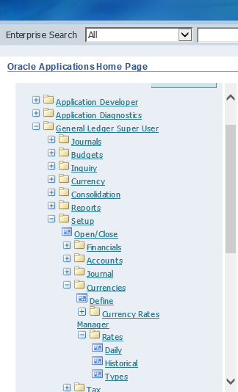

 | click daily

